measure of central tendency
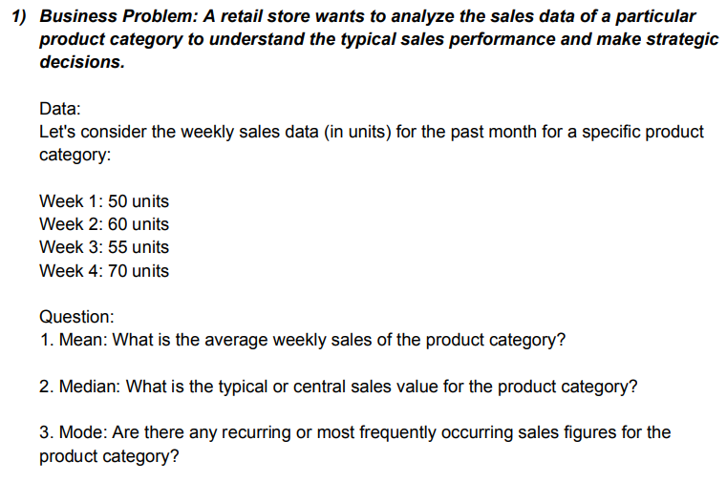
Week | Units
1 | 50
2 | 60
3 | 55
4 | 70
 | 235

 | MEAN
 | 58.75

 | MEDIAN
 | sort in ascending order
 | 50
 | 55
 | 60
 | 70

 | 2.5
 | 57.5

 | Mode
 | None

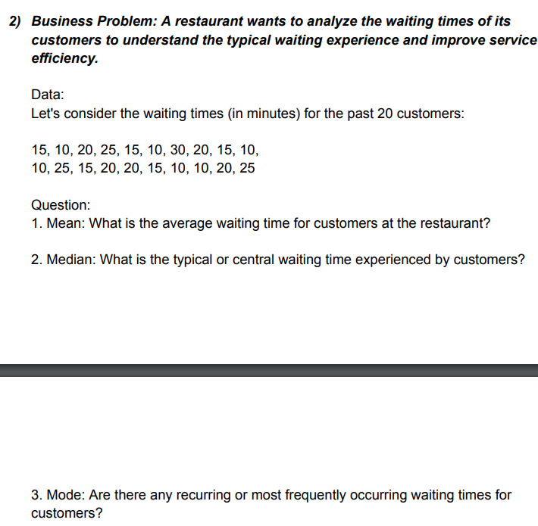

15, 10, 20, 25, 15, 10, 30, 20, 15, 10, 10, 25, 15, 20, 20, 15, 10, 10, 20, 25
Data | ASC
10
10
10 |  |  | Mean
10 |  |  | 17
10
10 |  |  | Median
15 |  |  | 10.5
15 |  |  | 15
15
15 |  |  | Mode
15 |  |  | 10
20
20
20
20
20
25
25
25
30
340
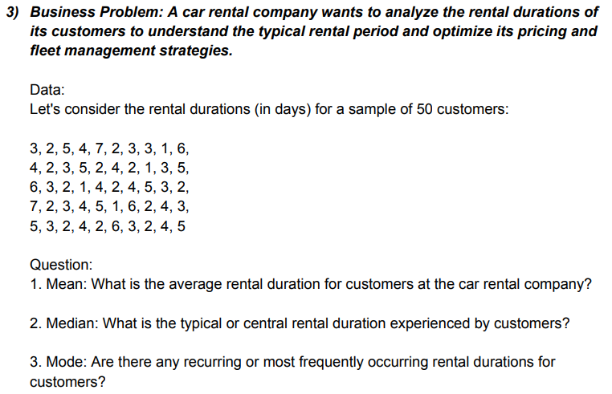

Data
3
2 |  | MEAN
5 |  | 3.44
4
7 |  | MEDIAN
2 |  | 25.25
3 |  | 3
3
1 |  | MODE
6 |  | 2
4
2
3
5
2
4
2
1
3
5
6
3
2
1
4
2
4
5
3
2
7
2
3
4
5
1
6
2
4
3
5
3
2
4
2
6
3
2
4

5

172

measure of dispersion
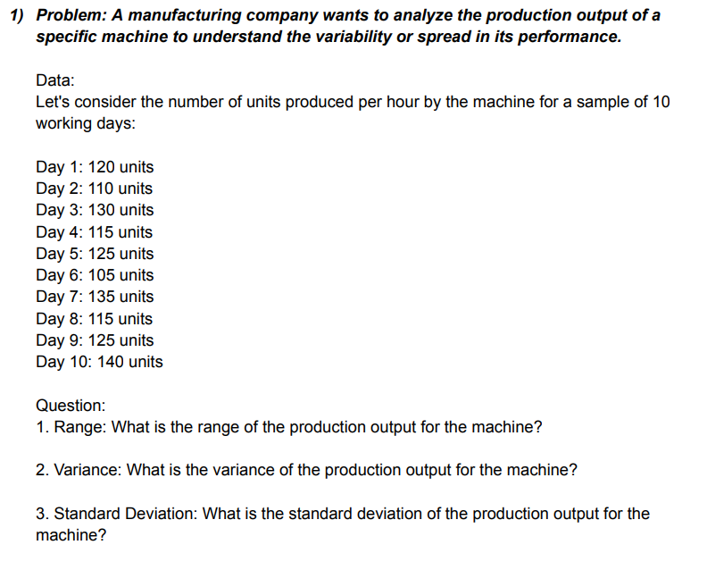

Day | units
1 | 105
2 | 110
3 | 115 |  |  | RANGE
4 | 115
5 | 120
6 | 125 |  |  | Day |  | units
7 | 125
8 | 130 |  |  | Mean | 5.5 | Mean | 122
9 | 135 |  |  | Standard Error | 0.95742710776 | Standard Error | 3.5118845843
10 | 140 |  |  | Median | 5.5 | Median | 122.5
 |  |  |  | Mode | #N/A | Mode | 115
 |  |  |  | Standard Deviation | 3.0276503541 | Standard Deviation | 11.105554166
 |  |  |  | Sample Variance | 9.1666666667 | Sample Variance | 123.33333333
 |  |  |  | Kurtosis | -1.2 | Kurtosis | -0.79711468225
 |  |  |  | Skewness | 0 | Skewness | 0.12776660198
 |  |  |  | Range | 9 | Range | 35
 |  |  |  | Minimum | 1 | Minimum | 105
 |  |  |  | Maximum | 10 | Maximum | 140
 |  |  |  | Sum | 55 | Sum | 1220
 |  |  |  | Count | 10 | Count | 10
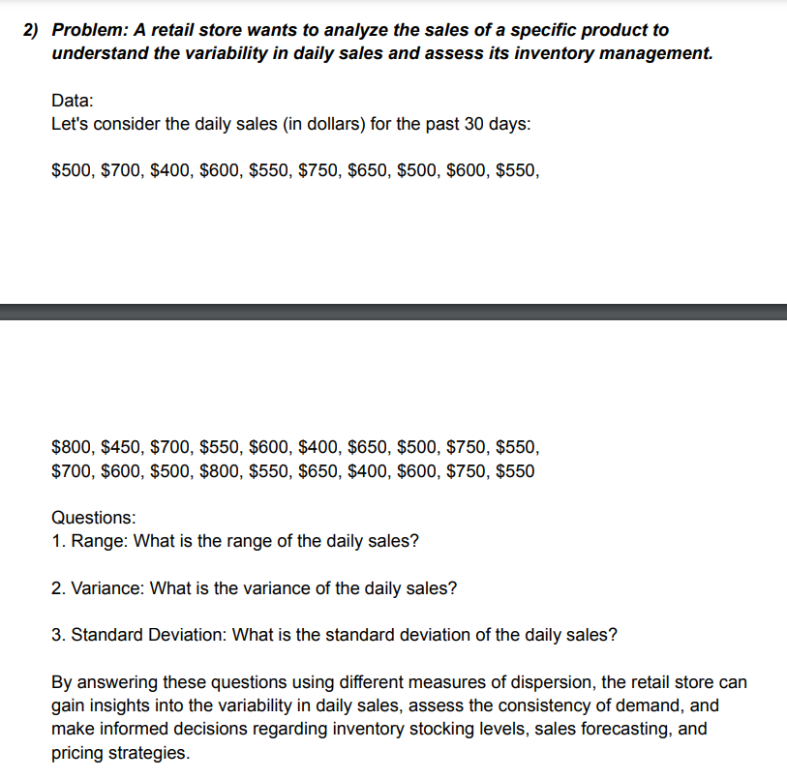

DATA
500
600
350 |  |  | Column1
700
550 |  |  | Mean | 558.33333333
650 |  |  | Standard Error | 33.394551628
750 |  |  | Median | 575
400 |  |  | Mode | 600
600 |  |  | Standard Deviation | 141.68108346
450 |  |  | Sample Variance | 20073.529412
350 |  |  | Kurtosis | -1.1190543278
400 |  |  | Skewness | 0.089195835664
600 |  |  | Range | 450
800 |  |  | Minimum | 350
750 |  |  | Maximum | 800
450 |  |  | Sum | 10050
650 |  |  | Count | 18
500
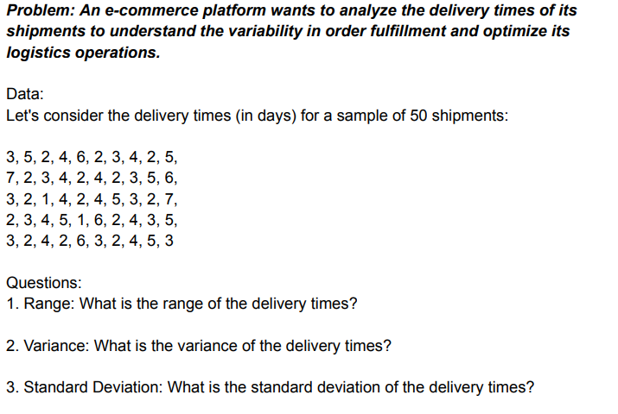

DATA
4
6
8 |  |  | DATA
7
2 |  |  | Mean | 5.4814814815
6 |  |  | Standard Error | 0.46030576475
4 |  |  | Median | 5
9 |  |  | Mode | 4
5 |  |  | Standard Deviation | 2.3918189147
2 |  |  | Sample Variance | 5.7207977208
4 |  |  | Kurtosis | -0.93529220766
6 |  |  | Skewness | -0.057258595286
9 |  |  | Range | 8
5 |  |  | Minimum | 1
4 |  |  | Maximum | 9
8 |  |  | Sum | 148
9 |  |  | Count | 27
4
2
3
7
1
5
8
6
9
5
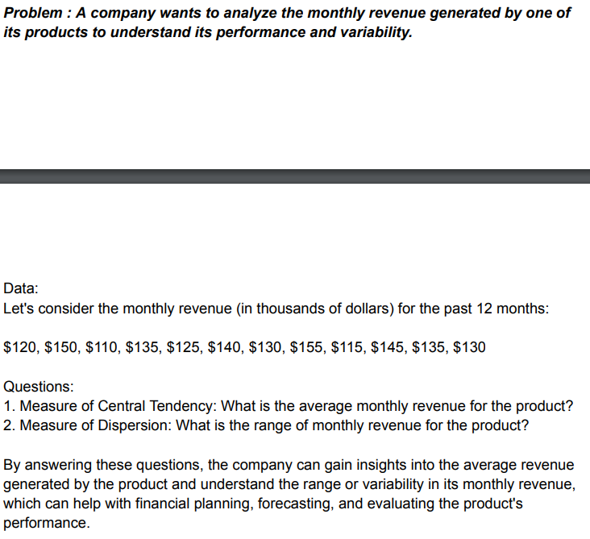

DATA
120
150 |  |  | DATA
110
135 |  |  | Mean | 132.5
125 |  |  | Standard Error | 3.9648073055
140 |  |  | Median | 132.5
130 |  |  | Mode | 135
155 |  |  | Standard Deviation | 13.734495391
115 |  |  | Sample Variance | 188.63636364
145 |  |  | Kurtosis | -0.68787922775
135 |  |  | Skewness | 2.422304781E-17
130 |  |  | Range | 45
 |  |  | Minimum | 110
 |  |  | Maximum | 155
 |  |  | Sum | 1590
 |  |  | Count | 12

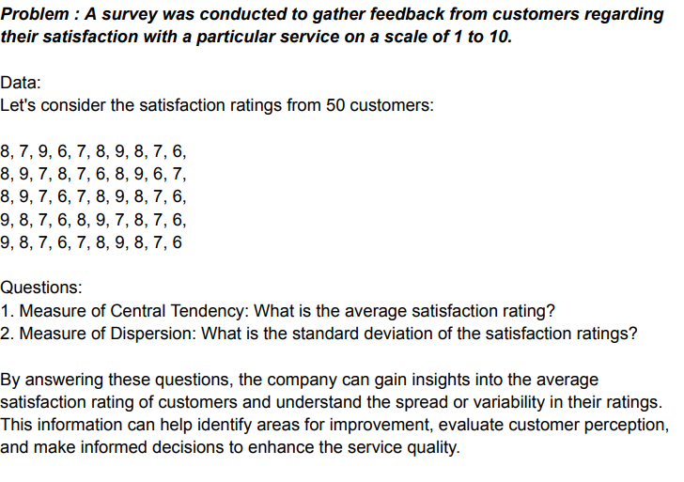

5
6
4
7
6 |  |  | Column1
2
3 |  |  | Mean | 5.1739130435
9 |  |  | Standard Error | 0.3352183625
7 |  |  | Median | 5
5 |  |  | Mode | 5
4 |  |  | Standard Deviation | 2.2735615509
2 |  |  | Sample Variance | 5.1690821256
9 |  |  | Kurtosis | -0.68504669278
6 |  |  | Skewness | 0.11939542438
4 |  |  | Range | 8
5 |  |  | Minimum | 1
2 |  |  | Maximum | 9
9 |  |  | Sum | 238
3 |  |  | Count | 46
6
4
2
1
4
8
6
3
9
5
4
7
5
4
8
6
9
5
2
1
6
9
5
4
7
5
5

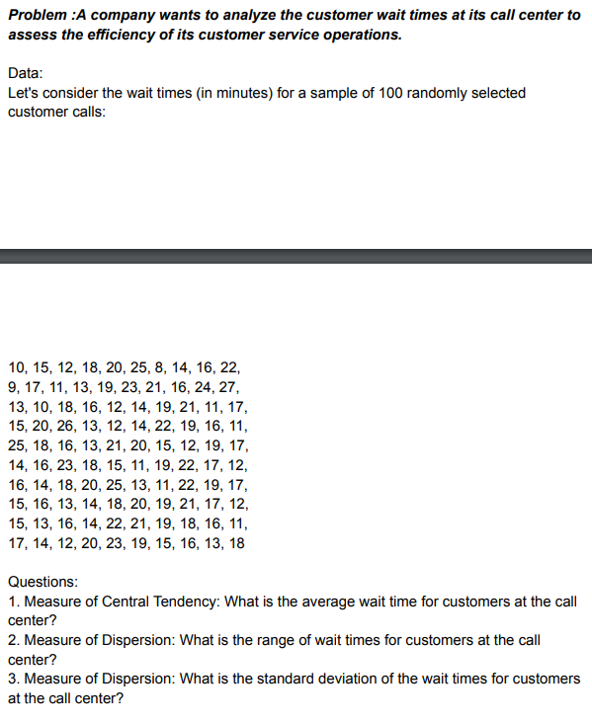

15
25
32 |  |  | Column1
12
52 |  |  | Mean | 50.510204082
45 |  |  | Standard Error | 3.4652210874
65 |  |  | Median | 45
35 |  |  | Mode | 45
45 |  |  | Standard Deviation | 24.256547612
25 |  |  | Sample Variance | 588.38010204
45 |  |  | Kurtosis | -0.8549595267
12 |  |  | Skewness | 0.30211420744
63 |  |  | Range | 87
45 |  |  | Minimum | 12
85 |  |  | Maximum | 99
65 |  |  | Sum | 2475
45 |  |  | Count | 49
21
25
65
45
38
45
96
45
75
25
36
46
85
45
25
77
22
25
77
80
50
60
45
66
99
45
88
78
96
78
47
14

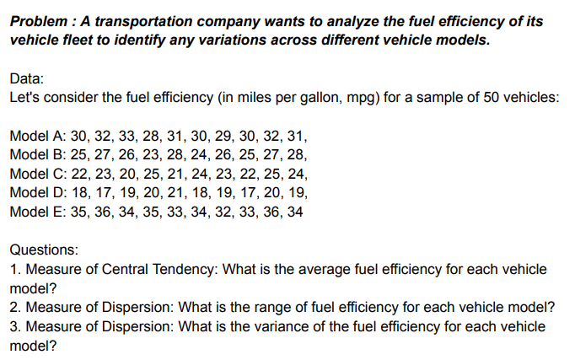

model A | model B | model C | model D | model E
30 | 25 | 22 | 17 | 33 |  |  |  | model A |  | model B |  | model C |  | model D |  | model E
32 | 26 | 23 | 18 | 36
31 | 27 | 20 | 19 | 35 |  |  |  | Mean | 30.4 | Mean | 25.9 | Mean | 21.7 | Mean | 14.7 | Mean | 35.1
28 | 23 | 25 | 12 | 32 |  |  |  | Standard Error | 0.4 | Standard Error | 0.52599112794 | Standard Error | 0.59721576224 | Standard Error | 0.86986589005 | Standard Error | 0.82259751195
31 | 28 | 21 | 11 | 35 |  |  |  | Median | 30.5 | Median | 26 | Median | 21.5 | Median | 14.5 | Median | 35.5
30 | 24 | 19 | 12 | 40 |  |  |  | Mode | 30 | Mode | 25 | Mode | 22 | Mode | 12 | Mode | 36
29 | 26 | 24 | 13 | 36 |  |  |  | Standard Deviation | 1.2649110641 | Standard Deviation | 1.6633299933 | Standard Deviation | 1.8885620632 | Standard Deviation | 2.7507574714 | Standard Deviation | 2.6012817354
30 | 25 | 22 | 14 | 37 |  |  |  | Sample Variance | 1.6 | Sample Variance | 2.7666666667 | Sample Variance | 3.5666666667 | Sample Variance | 7.5666666667 | Sample Variance | 6.7666666667
32 | 27 | 21 | 15 | 31 |  |  |  | Kurtosis | -0.026041666667 | Kurtosis | -0.72102523692 | Kurtosis | -0.56860861211 | Kurtosis | -1.3140173495 | Kurtosis | 0.35994217629
31 | 28 | 20 | 16 | 36 |  |  |  | Skewness | -0.54351647284 | Skewness | -0.3476840166 | Skewness | 0.41568489819 | Skewness | 0.23061329109 | Skewness | 0.14771043366
 |  |  |  |  |  |  |  | Range | 4 | Range | 5 | Range | 6 | Range | 8 | Range | 9
 |  |  |  |  |  |  |  | Minimum | 28 | Minimum | 23 | Minimum | 19 | Minimum | 11 | Minimum | 31
 |  |  |  |  |  |  |  | Maximum | 32 | Maximum | 28 | Maximum | 25 | Maximum | 19 | Maximum | 40
 |  |  |  |  |  |  |  | Sum | 304 | Sum | 259 | Sum | 217 | Sum | 147 | Sum | 351
 |  |  |  |  |  |  |  | Count | 10 | Count | 10 | Count | 10 | Count | 10 | Count | 10

More Statistics Questions
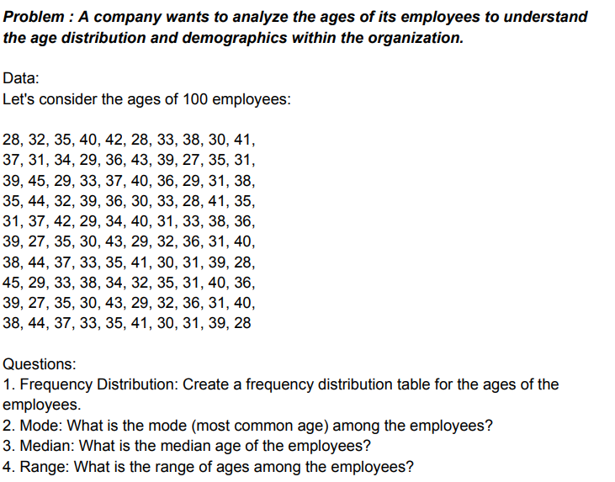

Histogram

28
25
32
23 |  |  |  | Column1
52
45 |  |  |  | Mean | 36.553191489
33 |  |  |  | Standard Error | 1.5750742639
45 |  |  |  | Median | 36
25 |  |  |  | Mode | 45
36 |  |  |  | Standard Deviation | 10.798165123
36 |  |  |  | Sample Variance | 116.60037003
48 |  |  |  | Kurtosis | -0.28545039968
47 |  |  |  | Skewness | 0.36511723221
20 |  |  |  | Range | 46
36 |  |  |  | Minimum | 19
22 |  |  |  | Maximum | 65
65 |  |  |  | Sum | 1718
45 |  |  |  | Count | 47
44
34
47
25
40
35
47
29
23
35
25
45
39
29
19
28
48
38
58
45
35
33
23
35
21
55
37
41
42
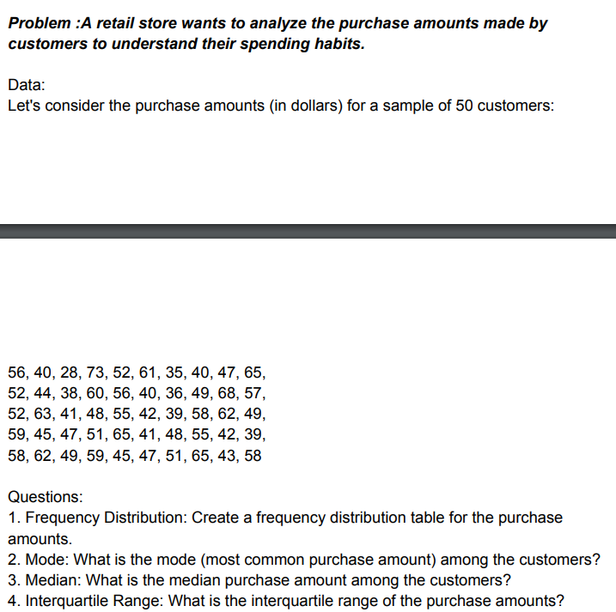

55
40
28
73
45 |  |  | Column1
66
40 |  |  | Mean | 49.465116279
47 |  |  | Standard Error | 1.7321623218
65 |  |  | Median | 48
55 |  |  | Mode | 55
44 |  |  | Standard Deviation | 11.35854794
38 |  |  | Sample Variance | 129.0166113
60 |  |  | Kurtosis | -0.061967220181
56 |  |  | Skewness | -0.16046978678
40 |  |  | Range | 50
36 |  |  | Minimum | 23
49 |  |  | Maximum | 73
47 |  |  | Sum | 2127
52 |  |  | Count | 43
63
41
48
55
42
49
58
42
45
47
51
65
41
48
55
42
25
68
62
58
47
51
65
23
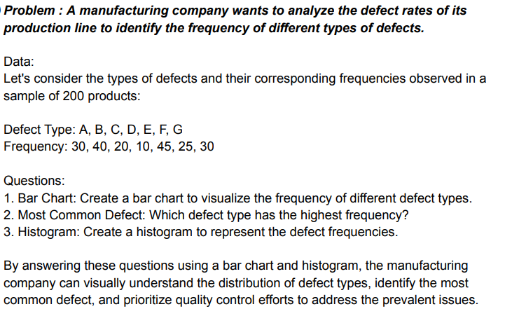

 |  |  |  |  |  |  | 1
Defect Type | Frequency
A | 30
B | 40
C | 20
D | 10
E | 45
F | 25
G | 30

 |  | 2 | Most Common Defect
 |  |  | E

 |  | 3

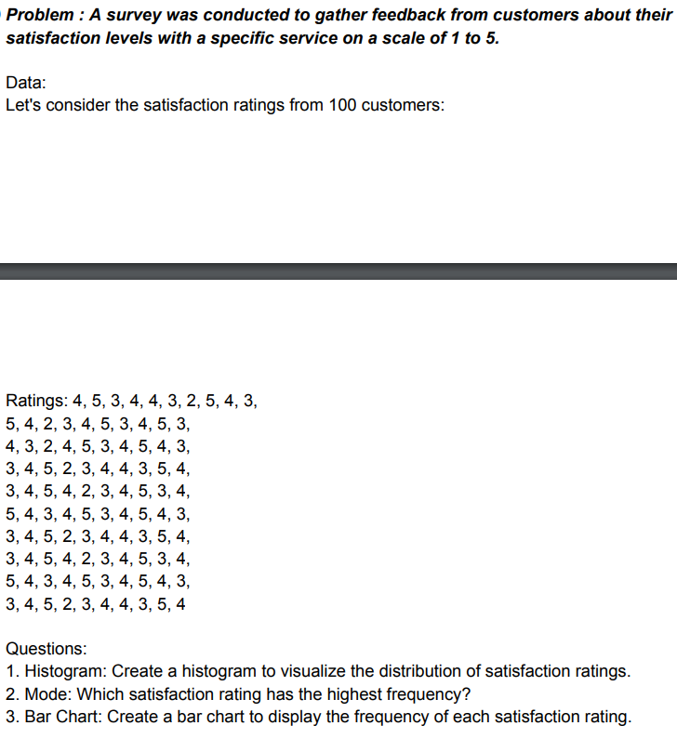

A | 4 | 5 | 3 | 4 | 4 | 3 | 2 | 5 | 4 | 3
B | 5 | 4 | 2 | 3 | 4 | 5 | 3 | 4 | 5 | 3
C | 4 | 3 | 2 | 4 | 5 | 3 | 4 | 5 | 4 | 3
D | 3 | 4 | 5 | 2 | 3 | 4 | 4 | 3 | 5 | 4
E | 3 | 4 | 5 | 4 | 2 | 3 | 4 | 5 | 3 | 4
F | 5 | 4 | 3 | 4 | 5 | 3 | 4 | 5 | 4 | 3
G | 3 | 4 | 5 | 2 | 3 | 4 | 4 | 3 | 5 | 4
H | 3 | 4 | 5 | 4 | 2 | 3 | 4 | 5 | 3 | 4
I | 5 | 4 | 3 | 4 | 5 | 3 | 4 | 5 | 4 | 3
J | 3 | 4 | 5 | 2 | 3 | 4 | 4 | 3 | 5 | 4

 |  | Row1 |  | Row2 |  | Row3 |  | Row4 |  | Row5 |  | Row6 |  | Row7 |  | Row8 |  | Row9 |  | Row10

 |  | Mean | 3.7 | Mean | 3.8 | Mean | 3.7 | Mean | 3.7 | Mean | 3.7 | Mean | 4 | Mean | 3.7 | Mean | 3.7 | Mean | 4 | Mean | 3.7
 |  | Standard Error | 0.3 | Standard Error | 0.32659863237 | Standard Error | 0.3 | Standard Error | 0.3 | Standard Error | 0.3 | Standard Error | 0.25819888975 | Standard Error | 0.3 | Standard Error | 0.3 | Standard Error | 0.25819888975 | Standard Error | 0.3
 |  | Median | 4 | Median | 4 | Median | 4 | Median | 4 | Median | 4 | Median | 4 | Median | 4 | Median | 4 | Median | 4 | Median | 4
 |  | Mode | 4 | Mode | 5 | Mode | 4 | Mode | 4 | Mode | 4 | Mode | 4 | Mode | 4 | Mode | 4 | Mode | 4 | Mode | 4
 |  | Standard Deviation | 0.94868329805 | Standard Deviation | 1.032795559 | Standard Deviation | 0.94868329805 | Standard Deviation | 0.94868329805 | Standard Deviation | 0.94868329805 | Standard Deviation | 0.81649658093 | Standard Deviation | 0.94868329805 | Standard Deviation | 0.94868329805 | Standard Deviation | 0.81649658093 | Standard Deviation | 0.94868329805
 |  | Sample Variance | 0.9 | Sample Variance | 1.0666666667 | Sample Variance | 0.9 | Sample Variance | 0.9 | Sample Variance | 0.9 | Sample Variance | 0.66666666667 | Sample Variance | 0.9 | Sample Variance | 0.9 | Sample Variance | 0.66666666667 | Sample Variance | 0.9
 |  | Kurtosis | -0.3468547913 | Kurtosis | -0.89564732143 | Kurtosis | -0.3468547913 | Kurtosis | -0.3468547913 | Kurtosis | -0.3468547913 | Kurtosis | -1.3928571429 | Kurtosis | -0.3468547913 | Kurtosis | -0.3468547913 | Kurtosis | -1.3928571429 | Kurtosis | -0.3468547913
 |  | Skewness | -0.23424278964 | Skewness | -0.27231914153 | Skewness | -0.23424278964 | Skewness | -0.23424278964 | Skewness | -0.23424278964 | Skewness | 0 | Skewness | -0.23424278964 | Skewness | -0.23424278964 | Skewness | 0 | Skewness | -0.23424278964
 |  | Range | 3 | Range | 3 | Range | 3 | Range | 3 | Range | 3 | Range | 2 | Range | 3 | Range | 3 | Range | 2 | Range | 3
 |  | Minimum | 2 | Minimum | 2 | Minimum | 2 | Minimum | 2 | Minimum | 2 | Minimum | 3 | Minimum | 2 | Minimum | 2 | Minimum | 3 | Minimum | 2
 |  | Maximum | 5 | Maximum | 5 | Maximum | 5 | Maximum | 5 | Maximum | 5 | Maximum | 5 | Maximum | 5 | Maximum | 5 | Maximum | 5 | Maximum | 5
 |  | Sum | 37 | Sum | 38 | Sum | 37 | Sum | 37 | Sum | 37 | Sum | 40 | Sum | 37 | Sum | 37 | Sum | 40 | Sum | 37
 |  | Count | 10 | Count | 10 | Count | 10 | Count | 10 | Count | 10 | Count | 10 | Count | 10 | Count | 10 | Count | 10 | Count | 10

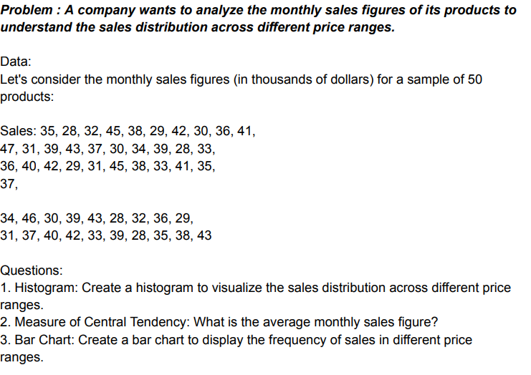

Sales
35
28
32
45
38
29
42
30
36
41
47
31
39
43
37
30
34
39
28 |  |  |  |  |  | Sales
33
36 |  |  |  |  |  | Mean | 36.183673469
40 |  |  |  |  |  | Standard Error | 0.77737646906
42 |  |  |  |  |  | Median | 36
29 |  |  |  |  |  | Mode | 28
31 |  |  |  |  |  | Standard Deviation | 5.4416352834
45 |  |  |  |  |  | Sample Variance | 29.611394558
38 |  |  |  |  |  | Kurtosis | -1.0381064876
33 |  |  |  |  |  | Skewness | 0.11801234114
41 |  |  |  |  |  | Range | 19
35 |  |  |  |  |  | Minimum | 28
37 |  |  |  |  |  | Maximum | 47
46 |  |  |  |  |  | Sum | 1773
30 |  |  |  |  |  | Count | 49
39
43
28
32 |  |  |  |  | Bin | Frequency | Bin | Frequency
36 |  |  |  |  | 28 | 4 | 33.428571429 | 8
29 |  |  |  |  | 30.714285714 | 6 | 41.571428571 | 8
31 |  |  |  |  | 33.428571429 | 8 | 36.142857143 | 7
37 |  |  |  |  | 36.142857143 | 7 | 30.714285714 | 6
40 |  |  |  |  | 38.857142857 | 6 | 38.857142857 | 6
42 |  |  |  |  | 41.571428571 | 8 | 44.285714286 | 6
33 |  |  |  |  | 44.285714286 | 6 | 28 | 4
39 |  |  |  |  | More | 4 | More | 4
28
35
38
43

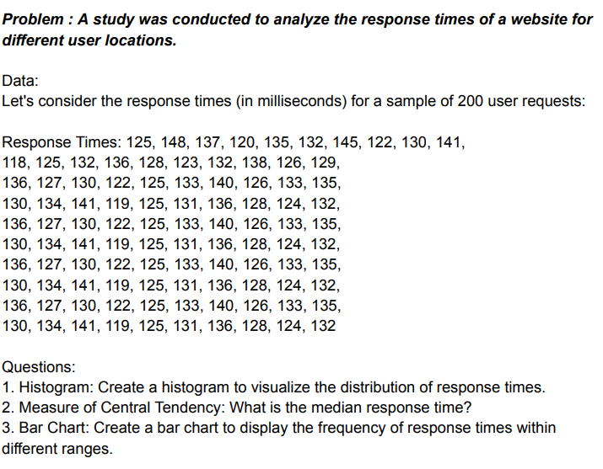

Response Time
125
148
137
120
135 |  |  |  | Bin | Frequency | Bin | Frequency
132 |  |  |  | 118 | 1 | 130 | 10
145 |  |  |  | 124 | 6 | 136 | 9
122 |  |  |  | 130 | 10 | 124 | 6
130 |  |  |  | 136 | 9 | 142 | 3
141 |  |  |  | 142 | 3 | More | 2
118 |  |  |  | More | 2 | 118 | 1
125
132
136
128
123
132
129
136
127
130
122
125
141
119
125
131
136
128
124 |  |  |  | Response Time
132
 |  |  |  | Mean | 130.12903226
 |  |  |  | Standard Error | 1.3462348415
 |  |  |  | Median | 130
 |  |  |  | Mode | 125
 |  |  |  | Standard Deviation | 7.4955183743
 |  |  |  | Sample Variance | 56.182795699
 |  |  |  | Kurtosis | -0.12068664243
 |  |  |  | Skewness | 0.52286541634
 |  |  |  | Range | 30
 |  |  |  | Minimum | 118
 |  |  |  | Maximum | 148
 |  |  |  | Sum | 4034
 |  |  |  | Count | 31

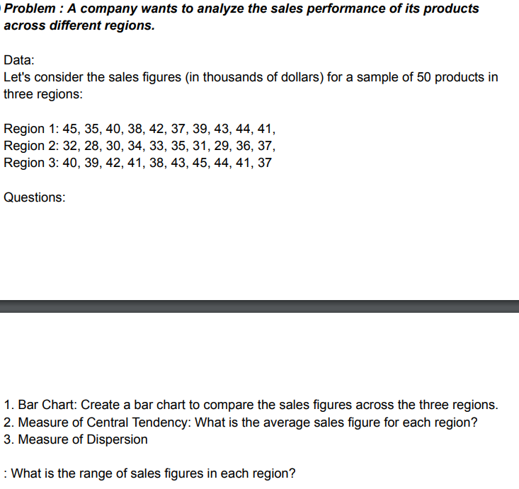

Region 1 | Region 2 | Region 3
45 | 32 | 40
35 | 28 | 39
40 | 30 | 42
38 | 34 | 41
42 | 33 | 38
37 | 35 | 43
39 | 31 | 45
43 | 29 | 44
44 | 36 | 41
41 | 37 | 37

 |  | Region 1 |  | Region 2 |  | Region 3

 |  | Mean | 40.4 | Mean | 32.5 | Mean | 41
 |  | Standard Error | 1.0132456102 | Standard Error | 0.95742710776 | Standard Error | 0.81649658093
 |  | Median | 40.5 | Median | 32.5 | Median | 41
 |  | Mode | #N/A | Mode | #N/A | Mode | 41
 |  | Standard Deviation | 3.2041639575 | Standard Deviation | 3.0276503541 | Standard Deviation | 2.5819888975
 |  | Sample Variance | 10.266666667 | Sample Variance | 9.1666666667 | Sample Variance | 6.6666666667
 |  | Kurtosis | -0.84183673469 | Kurtosis | -1.2 | Kurtosis | -0.8625
 |  | Skewness | -0.20063178769 | Skewness | 0 | Skewness | 0
 |  | Range | 10 | Range | 9 | Range | 8
 |  | Minimum | 35 | Minimum | 28 | Minimum | 37
 |  | Maximum | 45 | Maximum | 37 | Maximum | 45
 |  | Sum | 404 | Sum | 325 | Sum | 410
 |  | Count | 10 | Count | 10 | Count | 10

MeasureOfSkewnessAndKurtosis
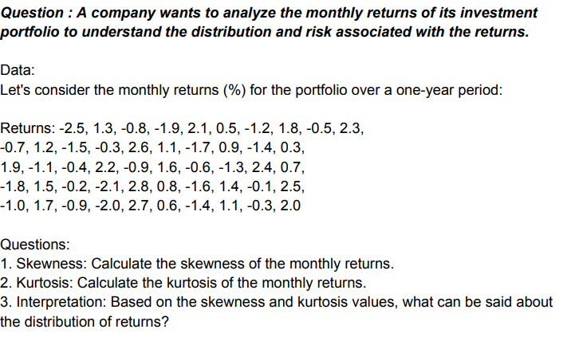

retruns
-1.3
2.9 | retruns
-6.5
4.4 | Mean | 0.048387096774
-3.2 | Standard Error | 0.90913962598
5.3 | Median | -1.3
-2.3 | Mode | 5.3
5.3 | Standard Deviation | 5.0618752104
-3.1 | Sample Variance | 25.622580645
1.9 | Kurtosis | -1.4761476655
-3.1 | Skewness | -0.13510041201
4.7 | Range | 16.5
-6.7 | Minimum | -8.3
6.4 | Maximum | 8.2
-7.2 | Sum | 1.5
3.4 | Count | 31
-4.2
5.7
-7.1
8.2
-6.9
4.9
-3.9
4.2
-1.7
4.9
-8.3
4.2
-1.6
5.6
-3.4

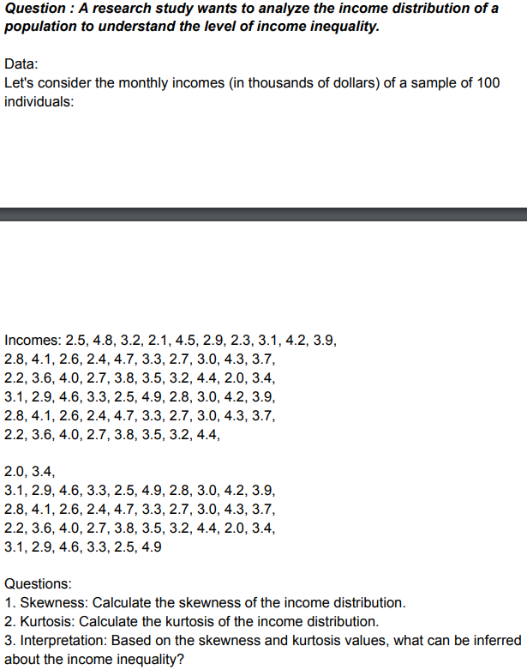

incomes
2.3
4.5
3.5 | incomes
2.9
4.9 | Mean | 4.6777777778
3.5 | Standard Error | 0.35066875343
8.3 | Median | 4.5
7.6 | Mode | 3.5
8.4 | Standard Deviation | 2.3523575108
2.3 | Sample Variance | 5.5335858586
1.3 | Kurtosis | -0.91856948662
2.9 | Skewness | 0.31706026477
4.6 | Range | 8.3
7.9 | Minimum | 1.1
7.4 | Maximum | 9.4
1.3 | Sum | 210.5
3.9 | Count | 45
8.8
4.2
4.9
4.4
1.8
3.6
4.6
6.4
3.4
1.2
3.5
9.4
7.8
5.6
1.3
7.3
4.9
4.9
7.5
6.3
2.8
5.5
8.2
1.9
3.7
4.5
1.1
3.5

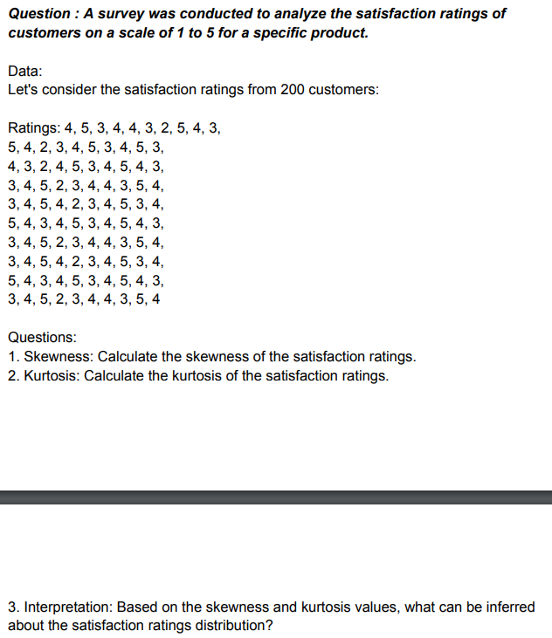

ratings
6
4
2 |  | ratings
9
4 |  | Mean | 4.8
7 |  | Standard Error | 0.40064051282
2 |  | Median | 5
3 |  | Mode | 4
5 |  | Standard Deviation | 2.5338730869
6 |  | Sample Variance | 6.4205128205
7 |  | Kurtosis | -0.85556729001
1 |  | Skewness | 0.18674169474
6 |  | Range | 8
2 |  | Minimum | 1
9 |  | Maximum | 9
5 |  | Sum | 192
5 |  | Count | 40
4
4
9
4
2
1
3
6
4
9
4
1
1
7
9
5
6
1
5
3
7
5
9

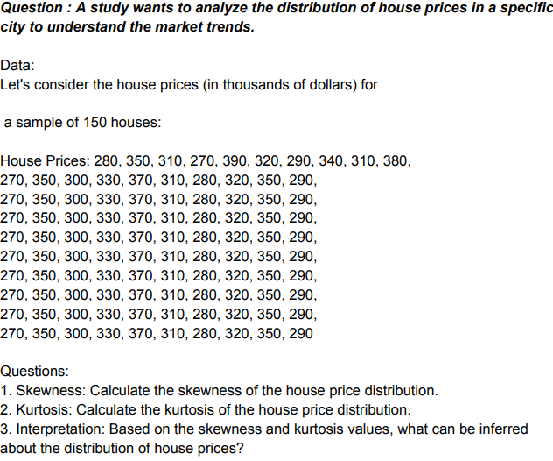

house prices
200
210 | house prices
350
500 | Mean | 503.42857143
650 | Standard Error | 45.6400658
450 | Median | 450
120 | Mode | 450
350 | Standard Deviation | 270.01027058
450 | Sample Variance | 72905.546218
700 | Kurtosis | -1.1726397714
950 | Skewness | 0.13591966465
900 | Range | 830
850 | Minimum | 120
800 | Maximum | 950
520 | Sum | 17620
150 | Count | 35
650
450
230
780
950
450
650
500
200
120
320
780
450
650
120
350
120
750
950

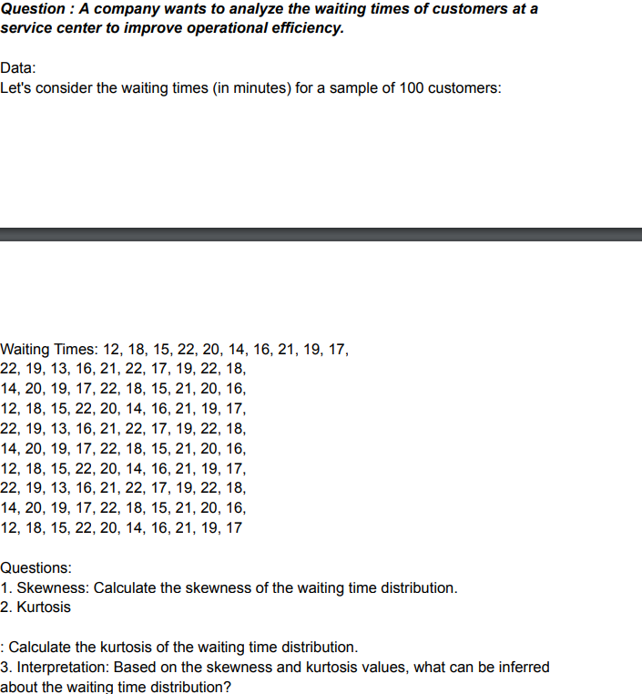

waiting times
12
18
17
22
23 | waiting times
24
20 | Mean | 16.024390244
15 | Standard Error | 0.62809021886
18 | Median | 16
15 | Mode | 14
14 | Standard Deviation | 4.0217397036
13 | Sample Variance | 16.174390244
11 | Kurtosis | 2.5902744361
12 | Skewness | -0.59810707138
16 | Range | 22
15 | Minimum | 2
14 | Maximum | 24
18 | Sum | 657
19 | Count | 41
2
23
21
12
14
13
15
14
16
18
19
17
14
17
21
15
16
17
18
14
12
13

Percentile and Quartiles
40 | Q1 | 126.25
45 | Q2 | 252.5
50 | Q3 | 378.75
55
60 | 10 | 72.3
62 | 25 | 126.25
65 | 75 | 378.75
68 | 90 | 454.5
70
72 |  | Based on the quartiles and percentiles we can say that 25% of the employees earns less than 125.25k and 75% of the employees earns less than 378.75k and based on percentile 10% of the employees earns less than 72.3k and 90% of the employees earns less than 454.5k
75
78
80
82
85
88
90
92
95
100
105
110
115
120
125
130
135
140
145
150
155
160
165
170
175
180
185
190
195
200
205
210
215
220
225
230
235
240
245
250
255
260
265
270
275
280
285
290
295
300
305
310
315
320
325
330
335
340
345
350
355
360
365
370
375
380
385
390
395
400
405
410
415
420
425
430
435
440
445
450
455
460
465
470
475
480
485
490
495
500

55 |  | Q1 | 141.25
60 |  | Q2 | 267.5
62 |  | Q3 | 393.75
65
68
70
72
75 |  | 15 | 92.45
78 |  | 50 | 267.5
Based on the percentiles and quartiles it can be interpreted that 25% of the people weight is less than 141.25kg and 50% of the people weight is less than 267.5kg and 50% people is more than that. The percentiles shows that 15% of people weights is less than 92.45kg and 85% of people weight is less than 444.25kg and above 85% have more than that
80 |  | 85 | 444.25
82
85
88
90
92
95
100
105
110
115
120
125
130
135
140
145
150
155
160
165
170
175
180
185
190
195
200
205
210
215
220
225
230
235
240
245
250
255
260
265
270
275
280
285
290
295
300
305
310
315
320
325
330
335
340
345
350
355
360
365
370
375
380
385
390
395
400
405
410
415
420
425
430
435
440
445
450
455
460
465
470
475
480
485
490
495
500
505
510
515

20
25
30 |  | Q1 | 153.75
35 |  | Q2 | 292.5
40 |  | Q3 | 431.25
45
50
55
60
65 |  | 20 | 126
70 |  | 40 | 237
75 |  | 80 | 459
80
Based on the percentiles and quartiles it can be interpreted that 25% of the customers Puchase amt is less than $153.75 and 50% of the customer purchase amt is less than $292.5 and 50% customer is more than that, the 75% customers purchase amt is less than $431.25. The percentiles shows that 20% of the customers purchase amt is less than $126, 40% of the customers purchase amt is less than $237 and 80% of the customers purchase amt is less than $459.
85
90
95
100
105
110
115
120
125
130
135
140
145
150
155
160
165
170
175
180
185
190
195
200
205
210
215
220
225
230
235
240
245
250
255
260
265
270
275
280
285
290
295
300
305
310
315
320
325
330
335
340
345
350
355
360
365
370
375
380
385
390
395
400
405
410
415
420
425
430
435
440
445
450
455
460
465
470
475
480
485
490
495
500
505
510
515
520
525
530
535
540
545
550
555
560
565

15
20
25 |  |  | Q1 | 157.5
30 |  |  | Q2 | 310
35 |  |  | Q3 | 462.5
40
45
50 |  |  | 30 | 188
55 |  |  | 50 | 310
60 |  |  | 70 | 432
65
70
75
Based on Quartiles and percentiles it can be said that 25% of the employees commute times is less than 161.25 minutes, 50% of the employees commute time is less than 312.5 minutes and 75% of the employees commute time is less than 463.75 minutes.
The 30th percentile of 193.5 minutes indicates that 30% of employees have commute times less than or equal to 193.5 minutes.The 70th percentile of 431.5 minutes indicates that 70% of employees have commute times less than or equal to 431.5 minutes.
80
85
90
95
100
105
110
115
120
125
130
135
140
145
150
155
160
165
170
175
180
185
190
195
200
205
210
215
220
225
230
235
240
245
250
255
260
265
270
275
280
285
290
295
300
305
310
315
320
325
330
335
340
345
350
355
360
365
370
375
380
385
390
395
400
405
410
415
420
425
430
435
440
445
450
455
460
465
470
475
480
485
490
495
500
505
510
515
520
525
530
535
540
545
550
555
560
565
570
575
580
585
590
595
600
605
610
120

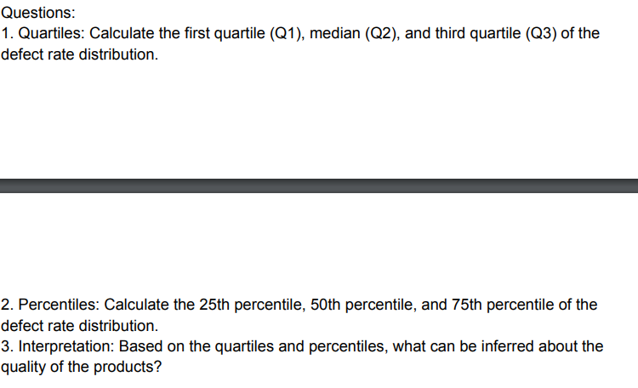
0.2
0.2 | Q1 | 0.5
0.3 | Q2 | 0.7
0.3 | Q3 | 0.9
0.3
0.3
0.3 | 25 | 0.5
0.3 | 50 | 0.7
0.3 | 75 | 0.9
0.3
0.3
0.4
0.4
0.4
0.4
0.4
0.4
0.4
0.4
The first quartile (Q1) of 0.4% indicates that 25% of the products have defect rates less than or equal to this value.The third quartile (Q3) of 0.9% indicates that 75% of the products have defect rates less than or equal to this value.The interquartile range (IQR) is Q3 - Q1 = 0.5%, showing the range within which the middle 50% of the defect rates fall. The defect rates of the products show a relatively small range, with the majority of products having defect rates between 0.4% and 0.9%. The median defect rate of 0.7% suggests that most products have low defect rates.
0.4
0.4
0.4
0.4
0.4
0.5
0.5
0.5
0.5
0.5
0.5
0.5
0.5
0.5
0.5
0.5
0.5
0.5
0.5
0.6
0.6
0.6
0.6
0.6
0.6
0.6
0.6
0.6
0.6
0.6
0.6
0.6
0.6
0.6
0.6
0.7
0.7
0.7
0.7
0.7
0.7
0.7
0.7
0.7
0.7
0.7
0.7
0.7
0.7
0.7
0.8
0.8
0.8
0.8
0.8
0.8
0.8
0.8
0.8
0.8
0.8
0.8
0.8
0.8
0.8
0.8
0.9
0.9
0.9
0.9
0.9
0.9
0.9
0.9
0.9
0.9
0.9
0.9
0.9
0.9
0.9
1
1
1
1
1
1
1
1
1
1
1
1
1
1
1.1
1.1
1.1
1.1
1.1
1.1
1.1
1.1
1.1
1.2
1.2
1.2
1.3
1.3
1.4
1.5

Correlation and Covariance
Question : A marketing department wants to understand the relationship between advertising expenditure and sales revenue to assess the effectiveness of their advertising campaigns.

Data: Let's consider the monthly advertising expenditure (in thousands of dollars) and corresponding sales revenue (in thousands of dollars) for a sample of 12 months:

Advertising expenditure | Sales revenue
10 | 50 |  |  |  | Advertising expenditure | Sales revenue
12 | 55 |  |  | Advertising expenditure | 75.854166667
15 | 60 |  |  | Sales revenue | 150.20833333 | 297.91666667
18 | 65
20 | 70
22 | 75 |  |  |  | Advertising expenditure | Sales revenue
25 | 80 |  |  | Advertising expenditure | 1
28 | 85 |  |  | Sales revenue | 0.99921031004 | 1
30 | 90
32 | 95
By analyzing the correlation coefficient, the marketing department can determine the strength and direction of the relationship between advertising expenditure and sales revenue. This information can help them make informed decisions about allocating their advertising budget and optimizing their marketing strategies.
35 | 100
38 | 105

Question : An investment analyst wants to assess the relationship between the stock prices of two companies to identify potential investment opportunities.

Data: Let's consider the daily closing prices (in dollars) of Company A and Company B for a sample of 20 trading days:

Question: Calculate the covariance between the stock prices of Company A and Company B. Interpret the value of the covariance and explain the nature of the relationship between the two stocks.
As per the covariance i.e 92.6 indicates a positive covariance between the stock prices of Company A and Company B.
Company A | Company B
45 | 52
47 | 54
48 | 55
50 | 57
52 | 59
53 | 60
55 | 61
56 | 62
58 | 64
60 | 66
62 | 67 |  |  |  | Company A | Company B
By analyzing the covariance, the investment analyst can determine whether the stock prices of Company A and Company B move together (positive covariance) or in opposite directions (negative covariance). This information can assist in identifying potential investment opportunities and understanding the diversification benefits of combining these stocks in a portfolio.
64 | 69 |  |  | Company A | 96.8
65 | 71 |  |  | Company B | 92.65 | 88.9275
67 | 73
69 | 74
70 | 76 |  |  |  | Company A | Company B
72 | 78 |  |  | Company A | 1
74 | 80 |  |  | Company B | 0.998595727 | 1
76 | 82
77 | 83

Question : A researcher wants to examine the relationship between the hours spent studying and the exam scores of a group of students.

Data: Let's consider the number of hours spent studying and the corresponding exam scores for a sample of 30 students:

Question: Calculate the correlation coefficient between the hours spent studying and the exam scores. Interpret the value of the correlation coefficient and explain the nature of the relationship between studying hours and exam scores
There is perfect correlation coefficient between hours spent studying and exam scores as that is near to 1, Means there is a postive correlation between them.
Hours spent studying | Exam Scores
10 | 60
12 | 65
15 | 70
18 | 75
20 | 80
22 | 82
25 | 85
28 | 88
30 | 90
32 | 92
35 | 93
38 | 95 |  | Hours spent studying | Exam Scores
40 | 96 | Hours spent studying | 468.31222222
42 | 97 | Exam Scores | 341.12222222 | 260.15555556
45 | 98
48 | 99
50 | 100
52 | 102
55 | 105 |  |  |  | Hours spent studying | Exam Scores
58 | 106 |  |  | Hours spent studying | 1
60 | 107 |  |  | Exam Scores | 0.97729508302 | 1
62 | 108
65 | 110
By analyzing the correlation coefficient, the researcher can determine the strength and direction of the relationship between studying hours and exam scores. This information can provide insights into the effectiveness of studying and help students and educators make informed decisions about study habits and academic performance
68 | 112
70 | 114
72 | 115
75 | 116
78 | 118
80 | 120
82 | 122

